Metadata
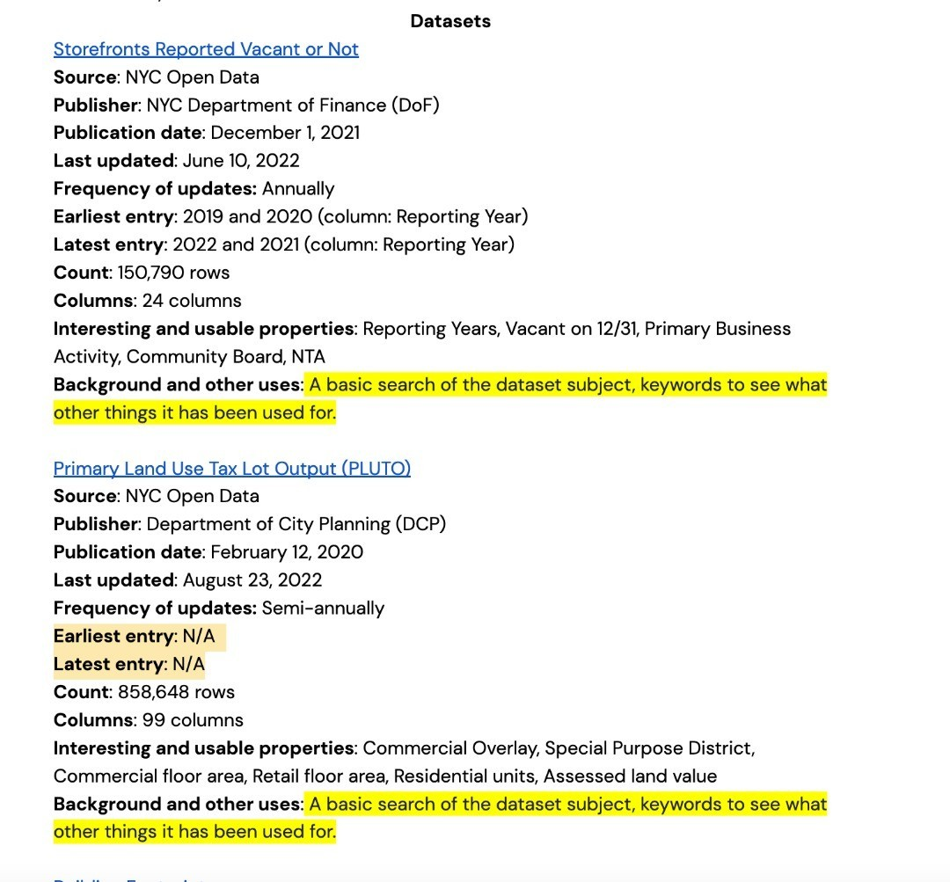
 | Data 1
Name of Dataset | Schoolyards to Playground | 2017-2018 Physical Education - PE Space | Children's Play Areas (CPAs)
Source url | https://data.cityofnewyork.us/dataset/Schoolyard-to-Playgrounds/bbtf-6p3c | https://data.cityofnewyork.us/Education/2017-2018-Physical-Education-PE-Space/is5y-7g3y | https://data.cityofnewyork.us/dataset/Children-s-Play-Areas-CPAs-/j55h-3upk
publisher of dataset | Department of Parks and Recreation (DPR) | NYC Department of Education | Department of Parks and Recreation (DPR)
Publication date | 2022-04-01 | 2020-12-22 | 2022-01-21
Last update | 2022-10-13 | 2020-12-22 | 2022-07-01
Date/Time Range | apr.1 /Oct. 13 2022 | 2020 | 2020-2022
Dimension 1: Count | 279 | 5652 | 944
Dimension 2: Columns | 14 | 16 | 13
Dimension 3: Filter and verify | acres, address, borough, location | room number, sq ft, room function, shared with other school, inside outside | accessibility level, location, name
Background and other uses | The Schoolyards to Playgrounds initiative began with PlaNYC 2007 as a way to expand public use at existing City facilities and improve access to open spaces during non-school hours which includes weekends, holidays, and during the summer. NYC Parks, in collaboration with the Department of Education (DOE) and the nonprofit Trust for Public Land have improved hundreds of DOE operated schoolyards through capital improvements, including play equipment, painted sports surfaces, trees, and benches. | Local Law 102 enacted in 2015 requires the Department of Education of the New York City School District to submit to the Council an annual report concerning physical education for the prior school year. | This dataset captures Children's Play Areas (CPAs). CPAs are places within NYC Parks that have Play Units installed.

